Sheet1
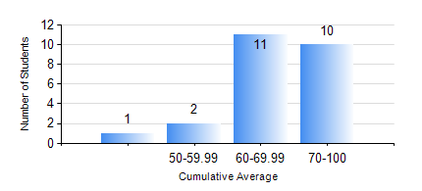
 |  |  | KWAME NKRUMAH UNIVERSITY OF SCIENCE AND TECHNOLOGY, KUMASI Department of Mechanical Engineering

 |  |  | BSC. AEROSPACE ENG., General Option

 |  |  | COMPREHENSIVE RECORD OF EXAMINATION RESULTS

 |  |  | RESULTS OF YEAR 4 SECOND SEMESTER, 2020/2021 ACADEMIC YEAR

 | Sn | Course Code |  | Course Name | Credit Hours | Min. Mark | Max. Mark | Avg. Mark | Std. Dev. | No. Passed | No. Trailed | No. (Df) | No. (I) | No. (I*) | No. Tagged(I,I*,Df) | Total
 | 1. | AERO 452 |  | AERODYNAMICS II | 2 | 41 | 91 | 71 | 12.25 | 24 | 0 | 0 | 0 | 0 | 0 | 24
 | 2. | AERO 456 |  | APPLIED METEOROLOGY | 2 | 55 | 78 | 67 | 7.55 | 24 | 0 | 0 | 0 | 0 | 0 | 24
 | 3. | AERO 492 |  | AEROSPACE SAFETY AND AIR SECURITY | 2 | 55 | 71 | 62 | 4.19 | 24 | 0 | 0 | 0 | 0 | 0 | 24
 | 4. | AERO 498 |  | PROJECT II | 5 | 67 | 80 | 73 | 4.95 | 24 | 0 | 0 | 0 | 0 | 0 | 24
 | 5. | ME 462 |  | MECHANISM SYNTHESIS AND ANALYSIS | 3 | 47 | 87 | 69 | 15.62 | 7 | 0 | 0 | 0 | 0 | 0 | 7
 | 6. | ME 468 |  | INTERNAL COMBUSTION ENGINE | 3 | 53 | 87 | 71 | 11.33 | 8 | 0 | 0 | 0 | 0 | 0 | 8
 | 7. | ME 474 |  | PRODUCTION PLANNING AND CONTROL | 3 | 41 | 93 | 77 | 17.03 | 10 | 0 | 0 | 0 | 0 | 0 | 10
 | 8. | ME 492 |  | MANAGEMENT AND ENTREPRENEURSHIP DEVELOPM | 2 | 45 | 67 | 58 | 6.23 | 24 | 0 | 0 | 0 | 0 | 0 | 24

